Gauge
Table 1 - Sales Performance |  |  | Table 2 - Selected Sales rep
Salesman | Actual | Plan | Agent | Gilberto James
Vickie Olson | 420 | 840 | Plan | 650 | Sales performance (%)
Ora Davidson | 440 | 780 | Actual | 524
Grace Drake | 110 | 540 | Actual / Plan (%) | 80.62 | Gilberto James | Actual: 524 | Plan: 650 | Status: | 80.62 | %

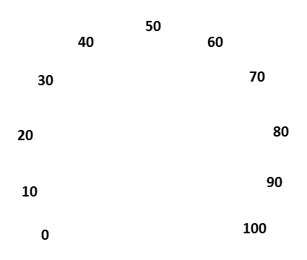
Gilberto James | 524 | 650
Hazel Lawson | 330 | 650
Lewis Henderson | 540 | 800
Rudolph Dean | 720 | 850
David Roberson | 800 | 900

Table 3 - Zone settings |  |  | Table 4 - Ticker settings
Red Zone | 40 |  | Actual /Plan (%) (modified) | 79.62
Orange Zone | 70 |  | Ticker | 2
Green Zone | 10 |  | Rest value | 98
Hidden Zone | 60 |  | Total | 180
Total | 180

 |  |  |  |  |  | 70%-on OK

